Analysis
Inventory Ageing Analysis As At 31-Dec-22
The last update time : Tuesday, 17 Jan 2023, 10:52.
Updated by: ACES Analytics Team.
Running time: 7.78 s
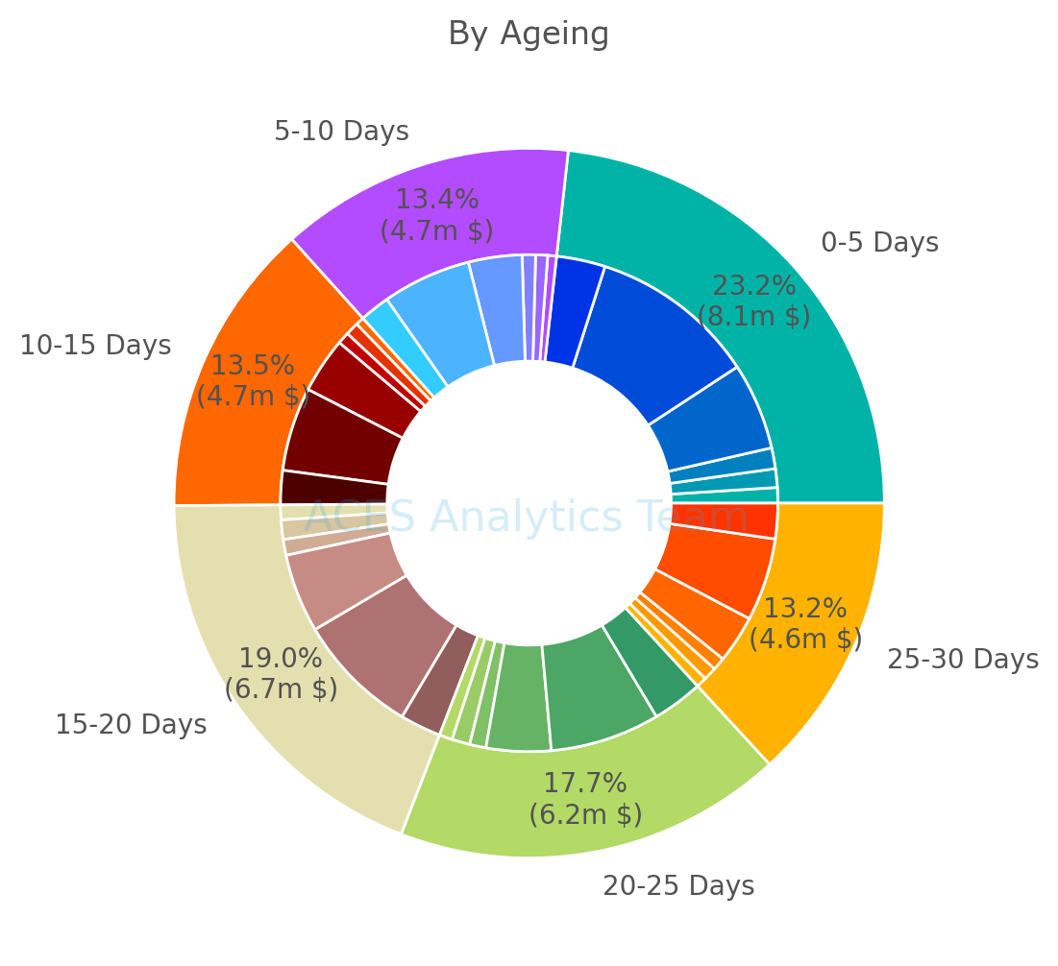
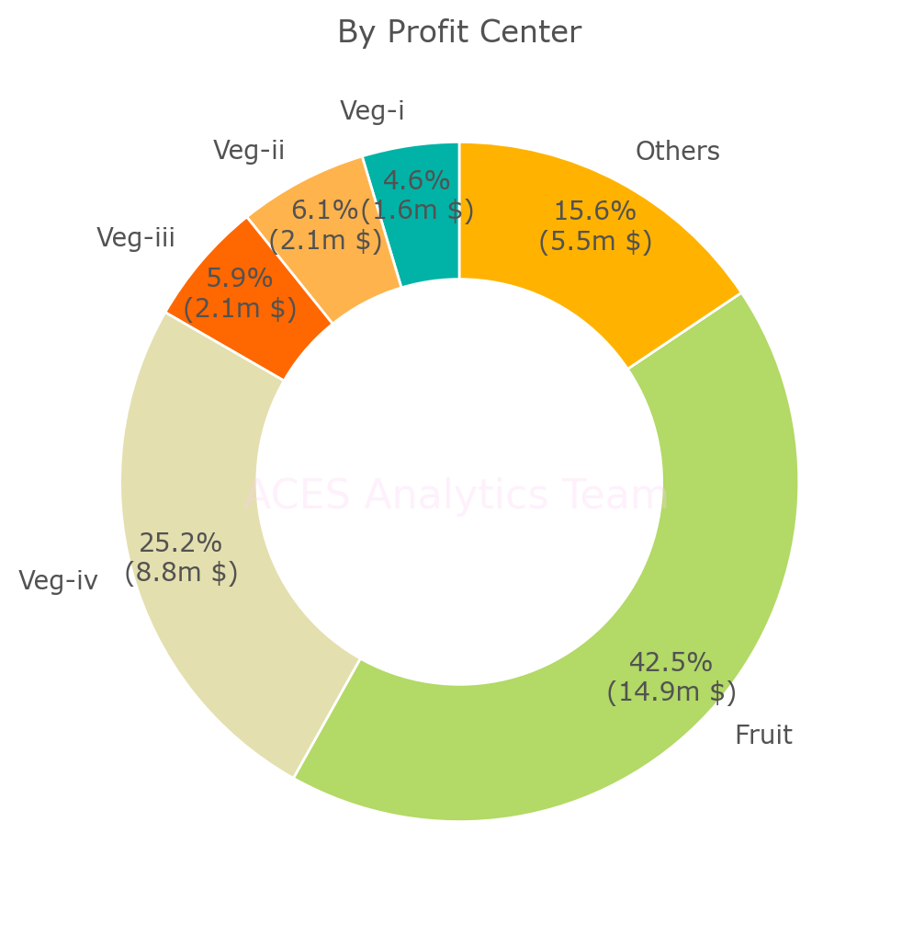

Inventory Balance Analysis by Ageing
Ageing Bucket | 0-5 Days | 5-10 Days | 10-15 Days | 15-20 Days | 20-25 Days | 25-30 Days | >30 Days | Total
Inventory Cost ($) | 8,132,455 | 4,694,466 | 4,708,134 | 6,655,675 | 6,195,737 | 4,605,116 |  | 34,991,583
Volume (kg) | 9,239,271 | 5,413,470 | 5,544,529 | 7,595,704 | 7,100,914 | 5,313,169 |  | 40,207,057

Inventory Balance Analysis by Profit Center
Profit Center | Veg-i | Veg-ii | Veg-iii | Veg-iv | Fruit | Others | Total
Inventory Cost ($) | 1,620,689 | 2,149,376 | 2,069,457 | 8,808,321 | 14,881,581 | 5,462,160 | 34,991,583
Volume (kg) | 4,707,531 | 4,997,708 | 3,816,400 | 10,777,240 | 10,882,645 | 5,025,533 | 40,207,057

Inventory Balance Analysis by Ageing and Profit Center in Cost ($)
Profit Center Ageing | Veg-i | Veg-ii | Veg-iii | Veg-iv | Fruit | Others | Total
0-5 Days | 353,458 | 424,809 | 473,536 | 1,980,368 | 3,790,363 | 1,109,921 | 8,132,455
5-10 Days | 199,179 | 271,992 | 303,402 | 1,218,784 | 2,017,971 | 683,137 | 4,694,466
10-15 Days | 189,906 | 298,427 | 271,974 | 1,262,243 | 1,905,433 | 780,151 | 4,708,134
15-20 Days | 338,659 | 441,936 | 359,538 | 1,793,592 | 2,788,060 | 933,889 | 6,655,675
20-25 Days | 298,452 | 409,637 | 370,509 | 1,473,046 | 2,494,694 | 1,149,398 | 6,195,737
25-30 Days | 241,035 | 302,574 | 290,498 | 1,080,287 | 1,885,059 | 805,663 | 4,605,116
Total | 1,620,689 | 2,149,376 | 2,069,457 | 8,808,321 | 14,881,581 | 5,462,160 | 34,991,583

Inventory Balance Analysis by Ageing and Profit Center in volume (kg)
Profit Center Ageing | Veg-i | Veg-ii | Veg-iii | Veg-iv | Fruit | Others | Total
0-5 Days | 999,004 | 1,070,962 | 905,183 | 2,503,509 | 2,686,656 | 1,073,957 | 9,239,271
5-10 Days | 594,407 | 585,082 | 552,233 | 1,527,951 | 1,475,137 | 678,660 | 5,413,470
10-15 Days | 574,799 | 739,854 | 480,196 | 1,583,693 | 1,432,493 | 733,494 | 5,544,529
15-20 Days | 1,001,445 | 1,016,535 | 695,955 | 1,948,770 | 2,051,425 | 881,574 | 7,595,704
20-25 Days | 859,526 | 910,883 | 665,132 | 1,857,537 | 1,859,635 | 948,201 | 7,100,914
25-30 Days | 678,350 | 674,392 | 517,701 | 1,355,780 | 1,377,299 | 709,647 | 5,313,169
Total | 4,707,531 | 4,997,708 | 3,816,400 | 10,777,240 | 10,882,645 | 5,025,533 | 40,207,057

